Draft architecture
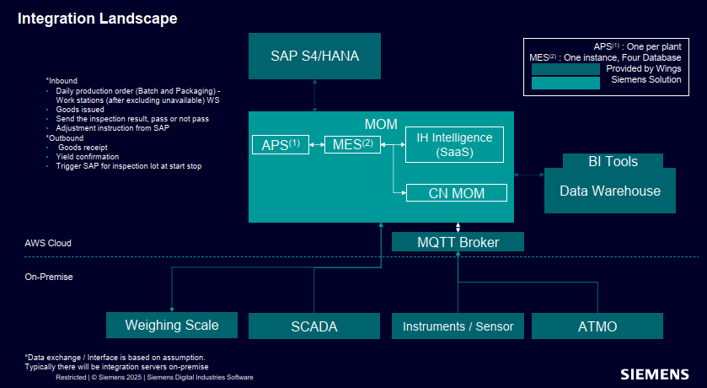
Fit | OOTB with configuration
 | UI Template is available, need to configure the field
Partial Fit | Base Functionality is Available, UI customization required from scratch
 | Base Functionality with Extension
Gap | No function at all

